Cover Sheet
Commercial and Industrial Arc Flash and Secondary Fault Current Information Requests
Each year Rocky Mountain Power and Pacific Power provide arc flash and secondary fault current information to electrical consultants and electricians. To ensure consistency Rocky Mountain Power and Pacific Power utilize an Arc Flash/Secondary Fault Current "Request Form".

Web Sites:
https://www.rockymountainpower.net/working-with-us/business-customers/arc-flash-fault-current.html
https://www.pacificpower.net/working-with-us/business-customers/arc-flash-fault-current.html
Arc Flash
Arc flash analysis determines the arc flash boundary, the incident energy at working distance, and the level of personal protective equipment required for personnel to work within the arc flash boundary.
The Occupational Safety and Health Association (OSHA) and National Fire Protection Association (NFPA) mandate arc flash analysis to determine the Hazard Risk Category (HRC) which establishes the level of Flame Resistant (FR) clothing required for personal protection.
NFPA 70 E, Article 130.5 states, "The arc flash hazard analysis shall be updated when a major modification or renovation takes place, and is to be reviewed periodically, not to exceed 5 years.
Secondary Fault Current
NFPA 70 (National Electric Code), Article 110.24 requires electrical service panels be labeled with available fault current. This helps ensure properly sized equipment is installed, reducing the probability of damage caused by electrical faults.
Electrical power system fault duties tend to increase as systems are modified. Rocky Mountain Power and Pacific Power's policy is to provide secondary fault current at the transformer assuming an infinite source. Tables found in tab "Fault Current Infinite Bus" provide these values. Transformer size must be confirmed.
Customers must submit* the following information on the "Request Form":
· Facility Point Numbers(s) see Fig#1 on "Request Form" tab
· Service Voltage (240/120, 208Y/120, 480Y/277)
· Phase (Single-Phase, Three-Phase)
* Call 1-888-221-7070 for "Request Form" submittal information
Arc Flash Request
Upon receipt of completed "Request Form" customer is provided:
· System Impedance on primary side of distribution transformers
· Average transformer impedances
· Transformer fusing information
Secondary Fault Current Request
Upon receipt of completed "Request Form" customer is provided:
· Transformer size
· Fault Current Infinite Bus table
Disclaimer
Rocky Mountain Power and Pacific Power recommend customers de-energize electrical conductors when contact or faults are possible. In providing the information contained herein, the recipient acknowledges and understands that Rocky Mountain Power and Pacific Power provides this information based on the information in its files and other information available to it at the time of the request. The data will change over time based on changes in load and other dynamic elements of Rocky Mountain Power and Pacific Power's electrical system. Rocky Mountain Power and Pacific Power has not independently verified the accuracy of this information for the purposes for which it may be used by the recipient. Furthermore, recipient understands and acknowledges that Rocky Mountain Power and Pacific Power has no responsibility, liability, obligation or duty for the recipient’s electrical system and on the customer side of the electrical meter.

Revisions | Date
Cover Sheet - Added revision table | 2020-02-06 | R8
Fault Current Infinit Bus - Table 2: 208Y/120 Three Phase Pad Mounted Transformer, added impedance data for 1000kVA transformers | 2020-02-06
Request Form and Site Data Sheets: Updated options in delivery voltage dropdown list | 2020-03-24 | R9
Fault Current Infinit Bus - Table 6: 480/240 Single-Phase, Pad-Mounted and Overhead Transformers , new table added impedance data for 480/240V service voltages | 2020-11-16 | R10

Request Form (Customer)
Arc Flash and Secondary Fault Current Data Request Form
(Field Engineer sends this Form to Customer. Customer fill's out Form and returns it to Field Engineer)
Please submit a separate request for each site by duplicating this tab. Steps: 1) Fill in "Requestor Information, 2) Right click "Request Form (Customer) tab, 3) Move or Copy, 4) Select "Request Form (Customer), 5) Check "Create a Copy", 6) OK. Complete "Facility Location" section for each site.
Requester Information
 | Date of Request
 | Company Name
 | Contact Name
Mailing Address | Street Number
 | City, State, Zip
 | Phone Numbers | Main:
 |  | Cell:
 | Email address
Facility Location
 | Company Name
 | Facility Name
 | * Facility Point Number
 | If possible provide a photo of the facility point tag. Please paste the photo in the cell to the right. | 
 | Meter Number
 | * Delivery Voltage | Dropdown Menu
 | * Phase | Dropdown Menu
 | * Required Information
Figure #1: Facility Point Examples
Pad Mounted Transformer |  |  | Pole Mounted Transformers
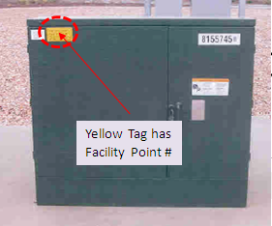
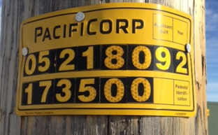

 |  |  |  | Facility Point # = 05218092-173500

Site Data (Utility)
 | Site Data
 | For Arc Flash request Field Engineer completes this Form and sends to Customer.
 | For Secondary Fault current request Field Engineer provides the transformer size information only.

Service Center
 |  | Address
Field Engineer
 |  | Phone Number

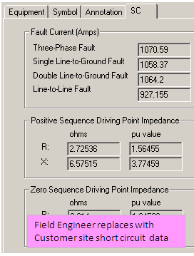
 | Primary System Fault Amps & Impedances
 |  |  | Facility Information
 |  |  | District
 |  |  | Substation
 |  |  | Circuit
 |  |  | Facility Point #
 |  |  | Primary System Voltage | Drop Down Menu
 |  |  | Transformer Connection | Drop Down Menu
 |  |  | Transformer Size / Type |  | Drop Down Menu
 |  |  | Delivery Voltage (1) | Dropdown Menu
 |  |  | Transformer %Z | See Fault Current Infinite Bus Tab
 |  |  | Secondary Conductor (2)
 |  |  | Secondary Length (2)
 |  |  | (1) Voltage as confirmed by Customer
 |  |  | (2) Secondary conductor information is provided
 |  |  | when available.

 |  |  | If service is primary metered only the primary system
 |  |  | impedance at meter point is provided.
 | Transformer & Service Diagram

 |  |  | Protection
 |  |  | Transformer Fusing | See Fusing Tabs

 | 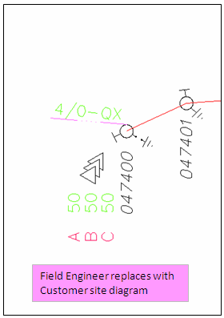 |  | Field Engineer Provides: Arc Flash Request: 1) System Impedance on primary side of distribution transformers 2) "Fault Current Infinite Bus" tables showing average transformer impedances 3) Transformer fusing information Secondary Fault Current Request: 1) Transformer size 2) "Fault Current Infinite Bus" tables

Overhead Transformer Fusing
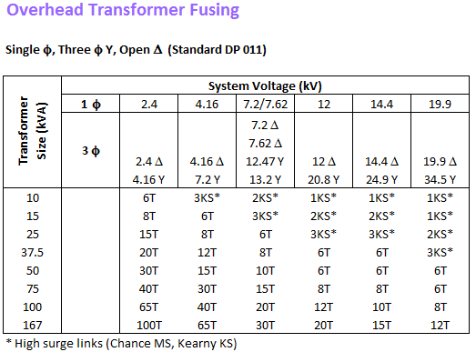
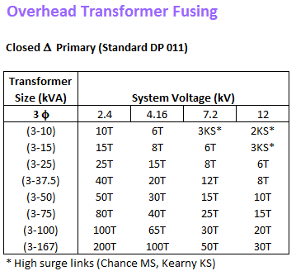
Rocky Mountain Power and Pacific Power recommend customers de-energize electrical conductors when contact or faults are possible. These tables list common transformer fuses. The purpose of these fuses is to provide a means to de-energize transformers, prevent transformer damage, and isolate damaged transformers from electrical source. These fuses do not provide protection from arc flash or electrical contact.

Underground Transformer Fusing
Rocky Mountain Power and Pacific Power recommend customers de-energize electrical conductors when contact or faults are possible. These tables list common transformer fuses. The purpose of these fuses is to provide a means to de-energize transformers, prevent transformer damage, and isolate damaged transformers from electrical source. These fuses do not provide protection from arc flash or electrical contact.

Line-to-Grd or GrdWye-GrdWye Transformer Connections

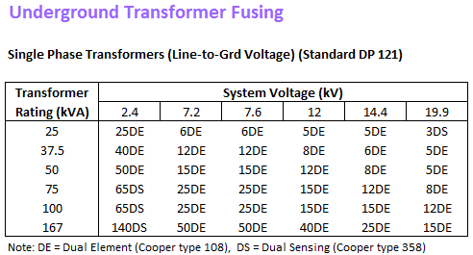
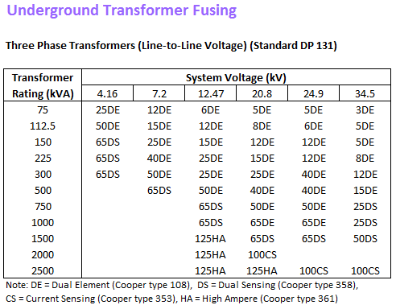

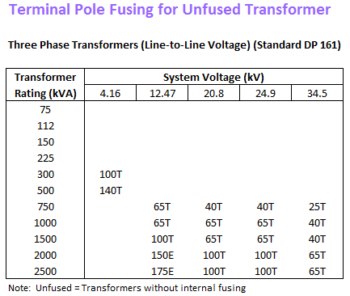
For more information on Cooper Power Bay-o-net and Isolation Links see Cooper Power Catalog.

Dual Sensing Bay-o-net fuses: Cooper Power Catalog Section 240-46
http://www.cooperindustries.com/content/dam/public/powersystems/resources/library/240_Fusing/24046.pdf

Isolation Links: Cooper Power Catalog Section 240-47
http://www.cooperindustries.com/content/dam/public/powersystems/resources/library/240_Fusing/24047.PDF

Dual Element Bay-o-net fuses: Cooper Power Catalog Section 240-48
http://www.cooperindustries.com/content/dam/public/powersystems/resources/library/240_Fusing/24048.pdf

